1. Title Page
[Project Name]

Project Name: Instacart Basket Analysis
Date: 25/03/2024
Analyst Name: Queency Y

Contents:
Population Flow
Consistency checks
Wrangling steps
Column derivations
Visualizations
Recommendations

2. Population Flow
Title page

Population flow

Exclusion flag
Condition: max_order <
Obervations to be removed: 1,440,295
Final total count of order_products_all: 30,964,564

Orders_products_combined
Orders_products_merged
Orders_products_all

Total: 32435059
Total: 32434489
Total: 32435059

1.) The grey boxes in the first row of the population flow represent the original data sets as they were when you downloaded them. In the Total fields you need to add the count of the rows when you imported the data set into Jupyter.
2.) The second row of boxes (coloured) represents the data sets after you manipulated them, e.g., removed missing values and duplicates. In the Total fields you need to add the count of the rows after conducting these operations. This offers a visual oveview of how the data flows throughout the data consistency checks.
3.) The third row, where also the arrows are coloured, represents the merges you performed between the datasets. In the Total fields you need to add the count of the rows in the merged datasets, so that you end up with the final dataset (in the red box). Keep in mind the final dataset should be without exclusions (based on the exclusion flag).

3. Consistency checks
 |  |  |  | Title page
Consistency checks

Dataset | Missing values | Missing values treatment | Duplicates
orders | 206,209 in days interval | leave it as it is | n/a
products | 16 on product names | removed the missing rows | 5 duplicates removed
orders_products_prior | n/a | n/a | n/a
customers | n/a | n/a | n/a
departments | n/a | n/a | n/a

4. Wrangling steps
 |  |  |  | Title page
Wrangling steps

Columns dropped | Columns renamed | Columns' type changed | Comment/Reason
eval_set (from orders.csv) |  |  | not related to the analysis
 | order_dow (orders.csv) |  | renamed to 'order_days_of_week'
 |  | order_id | changed to string type
 |  | user_id | changed to string type
 | days_since_prior_order (orders.csv) |  | renamed to 'order_interval_day'
 | First Name (customers.csv) |  | renamed to 'first_name'
 | Surnam (customers.csv) |  | renamed to 'surname'
 | Gender (customers.csv) |  | renamed to 'gender'
 | STATE (customers.csv) |  | renamed to 'state'
 | Age (customers.csv) |  | renamed to 'age'
 | n_dependants (customers.csv) |  | renamed to 'number_of_dependants'
 | fam_status (customers.csv) |  | renamed to 'family_status'

5. Column derivations
 |  |  |  | Title page

Column derivations and aggregations

In this tab you should add tables below that the frequences of flags/label variables that you produced after deriving them. NB: don't do this for continuous variables, only for flags.
Dataset | New column | Column/s it was derived from | Conditions
orders_products | price_range_loc | prices | prices > 15 : High range Product
 |  |  | prices < 15 & >= 5: Mid Range Product
 |  |  | prices < 5: Low Range Product

orders_products | busiest_days | orders_day_of_week | orders_day_of_week = 0 or 1: Busiest days
 |  |  | orders_day_of_week = 4 or 5: Slowest days
 |  |  | orders_day_of_week = 2, 3, 6: Regularly busy

orders_products | busiest_period_of_day | order_hour_of_day | order_hour_of_day = 10, 11, 14, 15, 13, 12, 16, 9: Most orders
 |  |  | order_hour_of_day = 17, 8, 18, 19, 20, 7, 21, 22: Average orders
 |  |  | order_hour_of_day = 1, 2, 3, 4, 5, 6, 23, 24 : Fewest orders

orders_products_customers | loyalty_flag | max_order | max_order > 40: Loyal Customer
 |  |  | max_order <= 40 & > 10: Regular Customer
 |  |  | max_order <= 10: New Customer

orders_products_customers | frequency_flag | order_frequency | order_frequency > 20 : Non-frequent customer
 |  |  | order_frequency >= 10 & <= 20 : Regular customer
 |  |  | order_frequency < 10 : Frequent customer

orders_productss_customers | spending_flag | user_id and prices transformed to spending_avg | spending_avg >= 10: High spender
 |  |  | spending_avg < 10: Low spender

orders_products_customers | region | state | region = Maine, New Hampshire, Vermont, Massachusetts, Rhode Island, Connecticut, New York, Pennsylvania, New Jersey : Northeast
 |  |  | region = Wisconsin, Michigan, Illinois, Indiana, Ohio, North Dakota, South Dakota, Nebraska, Kansas, Minnesota, Iowa, Missouri : Midwest
 |  |  | region = Delaware, Maryland, District of Columbia, Virginia, West Virginia, North Carolina, South Carolina, Georgia, Florida, Kentucky
 |  |  | Tennese, Mississippi, Alabama, Oklahoma, Texas, Arkansas, Louisiana : South
 |  |  | region = Idaho, Montana, Wyoming, Nevada, utah, Colordao, Arizona, New Mexico, Alaska, Washington DC, Oregon, California, Hawaii:
 |  |  | West

orders_products_customers_rev | customer_profile | family_status and income | family_status = married, income < 67000 : low income, married
 |  |  | family_status = single, income < 67000 : low income, single
 |  |  | family_status = divorced/widowed, income < 67000 : low income, others
 |  |  | family_status = living with parents and sibilings, income < 67000 : low income, others
 |  |  | family_status = married, income >= 67000 & <97000 : low middle income, married
 |  |  | family_status = single, income >= 67000 & <97000 : low middle income, single
 |  |  | family_status = divorced/widowed, income >= 67000 & <97000 : low income, others
 |  |  | family_status = living with parents and siblings, income >= 67000 & <97000 : low income, others
 |  |  | family_status = married, income >= 97000 & <128000 : upper middle income, married
 |  |  | family_status = single, income >= 97000 & < 128000 : upper middle income, single
 |  |  | family_status = divorced/widowed, income >= 97000 & < 128000 : upper middle income, others
 |  |  | family_status = living with parents and siblings, income >= 97000 & < 128000 : upper middle income, others
 |  |  | family_status = married, income >= 128000 : high income, married
 |  |  | family_status = single, income >= 128000 : high income, single
 |  |  | family_status = divorced/widowed, income >= 128000 : high income, others
 |  |  | family_status = living with parents and sibilings, income > 128000 : high income, others

orders_products_customers_rev | income_flag | income | income < 6700 : low income
 |  |  | income >= 6700 & < 97000 : low middle income
 |  |  | income >= 9700 & < 128000 : upper middle income
 |  |  | income > 128000 : high income

orders_products_customers_rev | age_group | age | age < 20 : young
 |  |  | age >=20 & <45 : adult
 |  |  | age >=45 & <65 : middle aged
 |  |  | age >60 : senior

6. Visualization & Recommendati
Visualisations & Recommendations

Question 1
The sales team needs to know what the busiest days of the week and hours of the day are in order to schedule ads at times when there are fewer orders.




The peak hours happens from 10am - 4pm, with most orders happen at 10am - 11am.
The off peak hours is at 12am - 5pm.
The busiest days with the most order happening is on Saturday and Sunday.
While, Tuesdays and Wednesdays are the least busiest day of the week.

Recommendation
Tuesday and Wednesday are the best day to run ads, as they are the least busiest day of the week. It will be a good opportunity to get the attention of potential customers during this time.
The ads can be scheduled to happen outside of peak hours too. While, during peak hours (10am - 4pm) and peak days (Saturday and Sunday), we should try to run ads for promotions or
sales for regular/loyal customers.

Question 2
They also want to know whether there are particular times of the day when people spend the most money, as this might inform the type of products they advertise at these times.

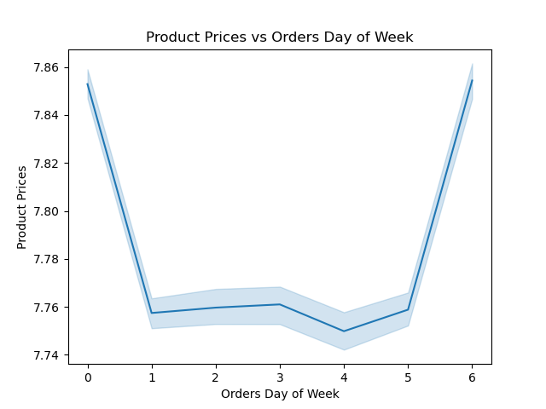
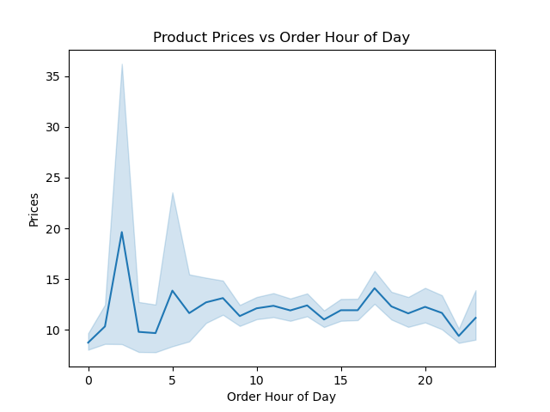

Orders with higher averaged priced items usually during off peak hours.
Orders with higher priced items usually happen on Friday and Saturday.
While the lowest priced orders happen on Wednesday.

Recommendation
Customers spend more during Friday and Saturday as they might be stocking up for the following week. It will be good to run advertisement for promotions or limited-time
offers during this period. While, during the off peak hours, as customers inclined to spend more, we could promote bundle deals or promotions for premium products.

Question 3
Instacart has a lot of products with different price tags. Marketing and sales want to use simpler price range groupings to help direct their efforts.

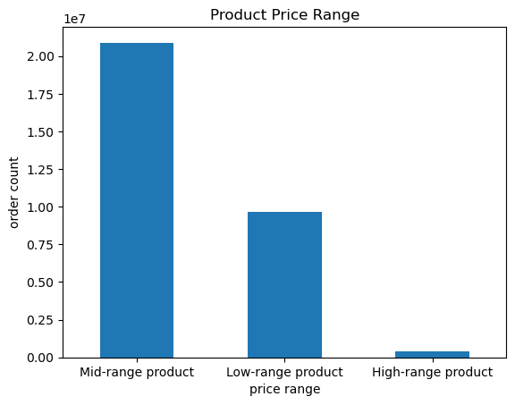

Low-range products are priced less than $5.
Mid-range products are priced in between $5 to $15
High-range products are priced more than $15
Based on the chart, most of Instacart products are priced under $15.

Recommendation
Having most of the products are mid-range priced, Instacart should focus to market and promote them, by highlighting the most popular items. Instacart should also ensure
there is adequate stocks for these products to follow the demands. With the limited high-range products, Instacart can promote them by focusing on exclusivity and quality
of the products. This could increase interest for customers with higher income. The opposite could be done for low-range products, promoting value-for-money to target more
of budget conscious customers

Question 4
Are there certain types of products that are more popular than others? The marketing and sales teams want to know which departments have the highest frequency of product
orders.

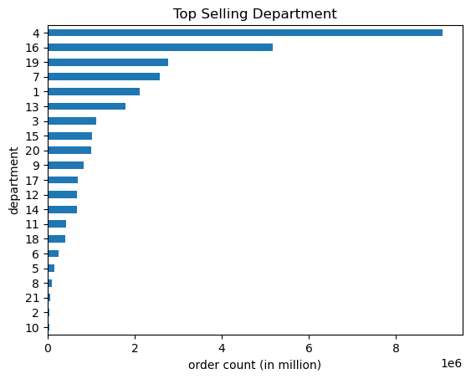
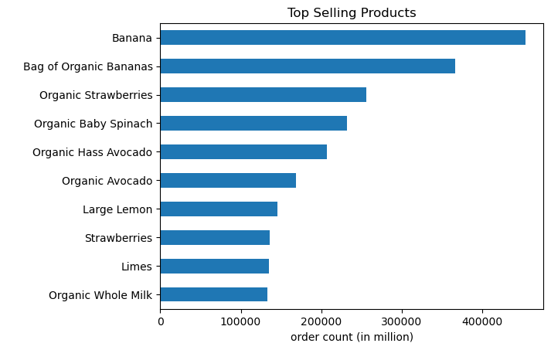

Most of the top selling products are Fruits.

Top selling departments of Instacarts are Produce, Dairy Eggs, Snacks, Beverages, and Frozen

Recommendation
Instacart should focus promotion and advertisements on these top departments due to their demands. Instacart could also try to offer seasonal promotions of these products
during special occasions or holiday events to boost sales during those periods.

Question 5
The marketing and sales teams are particularly interested in the different types of customers in their system and how their ordering behaviors differ.
What’s the distribution among users in regards to their brand loyalty ?

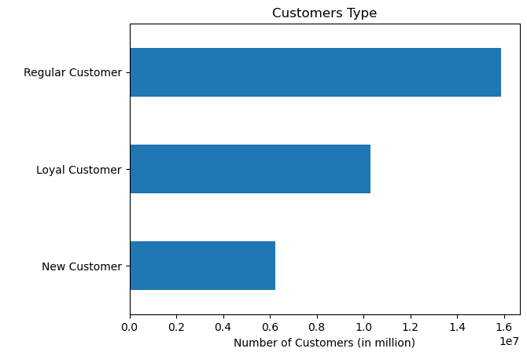
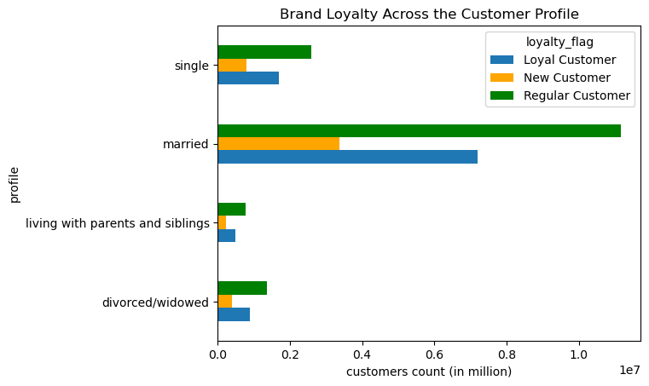

Loyal Customers have done more than 40 orders.
Regular Customers have orders between 10 - 40 orders
New Customers have less than 10 orders
Instacart have highest count on Regular Customers.
There is a huge counts coming from married customers profile for Instacart customers.

Recommendation
Instacart customers are majority regular customers, with married profile, so marketing ads should be highly targeted towards this customer profile. They could offer
loyalty programs for these customers to maintain them into loyal customers. Targeted marketing and promotions based on their family profile, however we can focus
on the married profile due to the big difference of count compared to other profile. A new marketing strategy is also needed to target and retain the new customers

Question 6
Are there differences in ordering habits based on a customer's loyalty status? Are there differences in ordering habits based on a customer's region?

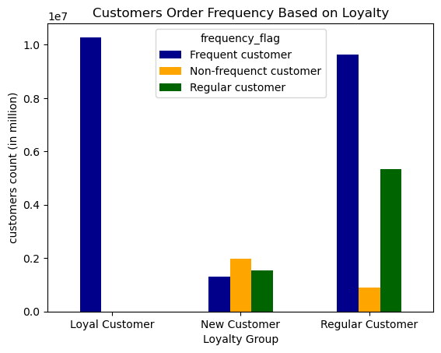
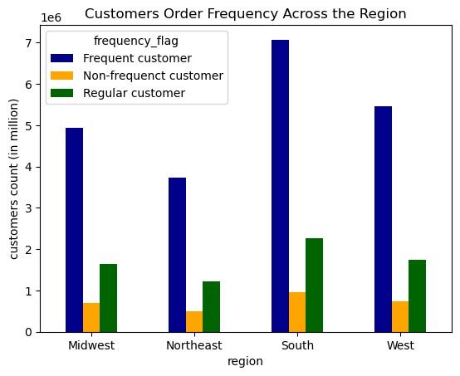

Frequent Customers average order frequency is under 10 days
Regular Customers average order frequency between 10 - 20 days
Non-Frequent Customers average order frequency is over 20 days
Loyal customer can be seen always ordering quite frequently.
Quite a lot of regularly loyal customers are also ordering frequently.
However, the new customers can be seen to low a lot less frequent compared to the others.
Overall, the ratio of customers' frequency order between the region is quite similar. With most of the frequent customers in South region and the least non-frequent customers count come in Northeast.
Frequent customers have the highest count on all regions.

Recommendation
As the region do not have any significant difference in the customers' frequency order, Instacart could develop a marketing strategy that can be applied across
the regions. However, they can differ the marketing strategy for Loyal and Regular customer to the New customers. To increase the engagement with new customers,
Instacart could try introductory promotions or discounts to get them order more frequently.

Question 7
Is there a connection between age and family status in terms of ordering habits?
What different classifications does the demographic information suggest? Age? Income? Family status?

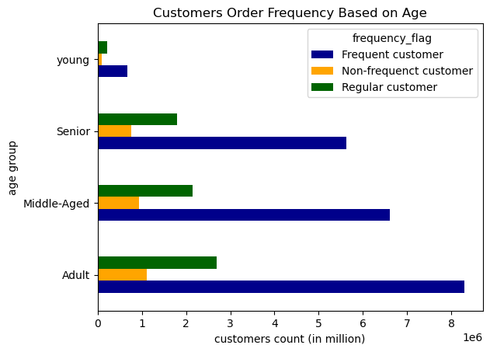
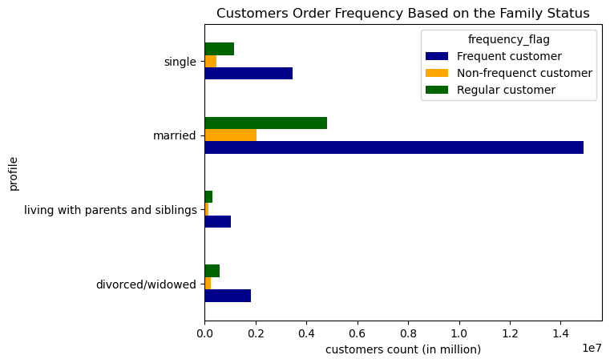

Instacart frequent customers are mainly the married family. While thos who live with parents and siblings has the least interest with Instacart.
Young age group is customers who is under 20 years old
Adult age group is customers who is 20 - 44 years old
Middle-Aged group is customers who is 45 - 59 years old
Senior age group is customers who is above 65 years old
Instacart main demographic have the age of 20 - 65 years old

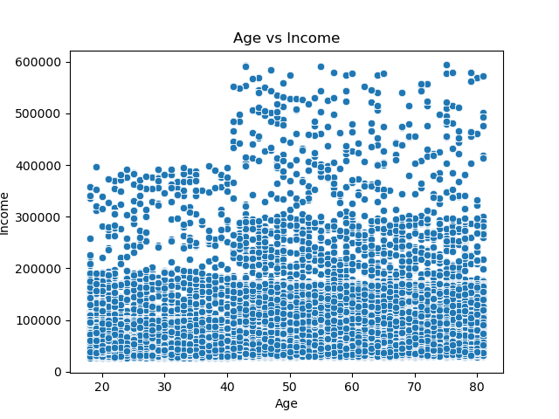
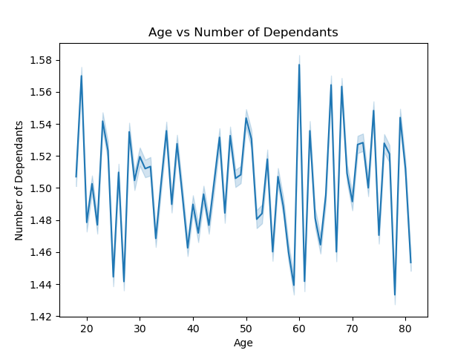

Majority of customers with the age of 20 - 40 years have income under $200k, and some of them having income up to $400k.
While customers with the age 40 and above, generally have income under $300k, and a couple of them reach to $600k
Based on this chart, it can be seen that age and number of dependants on the family is not related. The line shows the pattern is quite random, showing that customers of any age can have dependant in the family.

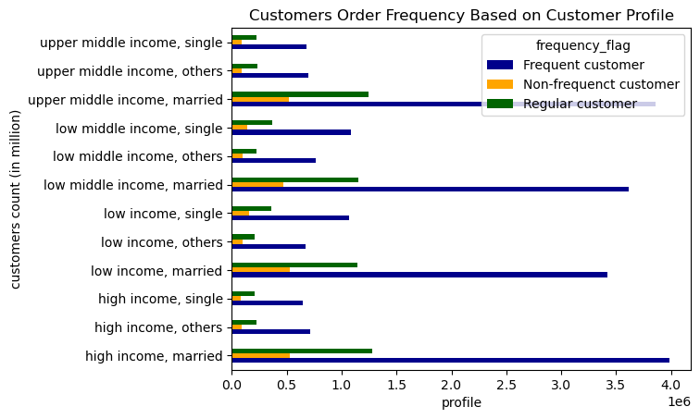
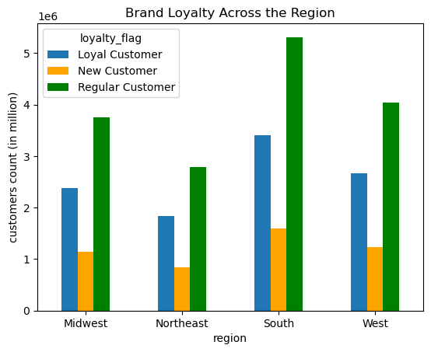

Married couple of all varied income are majority frequent customers for Instacart.
While, single customers with lower income shops more frequently in Instacart compared to those who have higher income.
For customer profile who are divorced or living with their parents and siblings, they are generally have similar count of shopping frequency across the different income group.
South region has the highest count of customers overall for Instacart compared to other regions, whith most of them being regular customers.
While, the Northeast region has the least count.

Recommendation
Based on the analysis above, we can summarise that Instacart main customers profile are Married, aged 20-65 years, with variety of income range, and mostly lives in the South region.
They are also shopping with Instacart quite regularly under 10 days. Knowing this the sales team could focus on targeted marketing more of family-oriented products towards them.
They could also seperate the marketing to focus on budget-friendly products for the lower income family and highlight more of premium products for the higher income family to ensure
the interests are alligned.

